Seating Plan
OpenGov Breakfast Insight 18 Jan 2024 || Equarius Hotel Singapore (Saffron Room, Level 2)
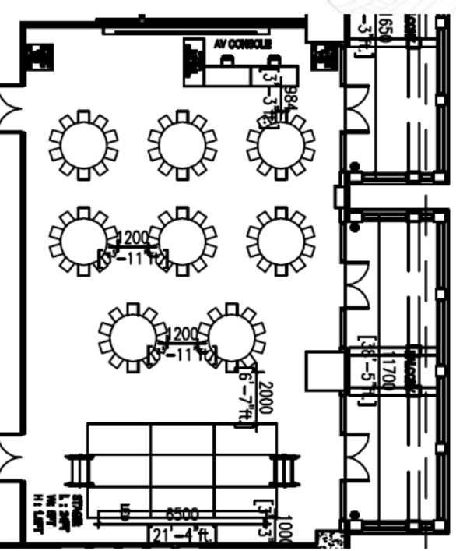
Entrance
A
B
C
D
E
F
Registration
Screen
AV

O

Delegate Table A |  |  |  | Delegate Table D
No | Name | Job Title | Organisation | No | Name | Job Title | Organisation
1 |  |  |  | 1
2 |  |  |  | 2
3 |  |  |  | 3
4 |  |  |  | 4
5 |  |  |  | 5
6 |  |  |  | 6
7 |  |  |  | 7

Delegate Table B |  |  |  | Delegate Table E
No | Name | Job Title | Organisation | No | Name | Job Title | Organisation
1 |  |  |  | 1
2 |  |  |  | 2
3 |  |  |  | 3
4 |  |  |  | 4
5 |  |  |  | 5
6 |  |  |  | 6

Delegate Table C |  |  |  | Delegate Table F
No | Name | Job Title | Organisation | No | Name | Job Title | Organisation
1 |  |  |  | 1 | Mohit Sagar | CEO & Editor-In-Chief | OpenGov Asia
2 |  |  |  | 2
3 |  |  |  | 3
4 |  |  |  | 4
5 |  |  |  | 5

 |  |  |  | Organiser Table O
 |  |  |  | No | Name | Job Title | Organisation
 |  |  |  | 1 | Ellen Quek | Vice President, APAC | OpenGov Asia
 |  |  |  | 2
 |  |  |  | 3

